Seive Analysis
Gradation Curve
 |  |  | Sieve Analysis test calculations & Particle Size Distribution Curve

 |  |  | Sieve Number | Diameter (mm) | Soil Retained (g) | Accumulative Retain (gm) | % Mass Retain | % Passing
 |  |  | #4 | 4.75000 | 14.80000 | 14.80000 | 2.94527 | 97.05473
Inputs |  |  | #10 | 2.00000 | 131.20000 | 146.00000 | 29.05473 | 70.94527
 |  |  | #40 | 0.42500 | 147.40000 | 293.40000 | 58.38806 | 41.61194
 |  |  | #50 | 0.30000 | 30.40000 | 323.80000 | 64.43781 | 35.56219
 |  |  | #100 | 0.14900 | 38.20000 | 362.00000 | 72.03980 | 27.96020
 |  |  | #200 | 0.07500 | 39.00000 | 401.00000 | 79.80100 | 20.19900
 |  |  | Pan | 0.00000 | 101.50000 | 502.50000 | 100.00000 | 0.00000

 |  |  | RESULTS
 |  |  | % gravel | 2.94530 | D60 (mm) | 1.12213 | Cu = D60/D10 | #DIV/0!
 |  |  | % sand | 76.85570 | D30 (mm) | 0.17978 | Cc = D30^2/D10* D60 | #DIV/0!
 |  |  | % fines | 20.19900 | D10 (mm)
 |  |  |  |  |  |  |  |  | 10.00000 | 60.00000 | 1.12213 | 0.00000
 |  |  |  |  |  |  |  |  | 1.12213 | 60.00000 | 1.12213 | 60.00000

 |  |  |  |  |  |  |  |  | 10.00000 | 30.00000 | 0.17978 | 0.00000
 |  |  |  |  |  |  |  |  | 0.17978 | 30.00000 | 0.17978 | 30.00000

 |  |  |  |  |  |  |  |  | 10.00000 | 10.00000 | 0.00000 | 0.00000
 |  |  |  |  |  |  |  |  | 0.00000 | 10.00000 | 0.00000 | 10.00000

Geotech with Naqeeb

 | Channel link: | https://www.youtube.com/channel/UCQ1Do-2Vt2x4n5NjwJD-XOA
 | Video link: | https://youtu.be/SxHEaEIdtA0

 | Don't forget to support us.

Atterberg Limits
ATTERBERG LIMITS

LIQUID LIMIT
 |  |  |  |  |  |  | No. Of Blows | Log Scale | Moisture Content
Trial | 1 | 2 | 3 |  |  |  | 16 | 1.2041199827 | 23.456790123
W1 | 27 | 19 | 35 |  |  |  | 25 | 1.3979400087 | 21.107266436
W2 | 50 | 40 | 64 |  |  |  | 35 | 1.5440680444 | 20.481927711
W3 | 45.63 | 36.34 | 59.07
Moisture Content | 23.456790123 | 21.107266436 | 20.481927711
Flow Curve
Flow Curve
No. Of Blows | 16 | 25 | 35
Liquid Limit | 19.405221568 | 21.107266436 | 24.43149677 | 21.647994925
 |  |  |  | 21.540094693

PLASTIC LIMIT

Trial | 1 | 2 | 3
W1 | 19 | 21 | 15
W2 | 22 | 25 | 21
W3 | 21.57 | 24.39 | 20.08
Moisture Content | 16.73151751 | 17.994100295 | 18.11023622 | 17.611951342

Plasticity Index: | 3.9281433508
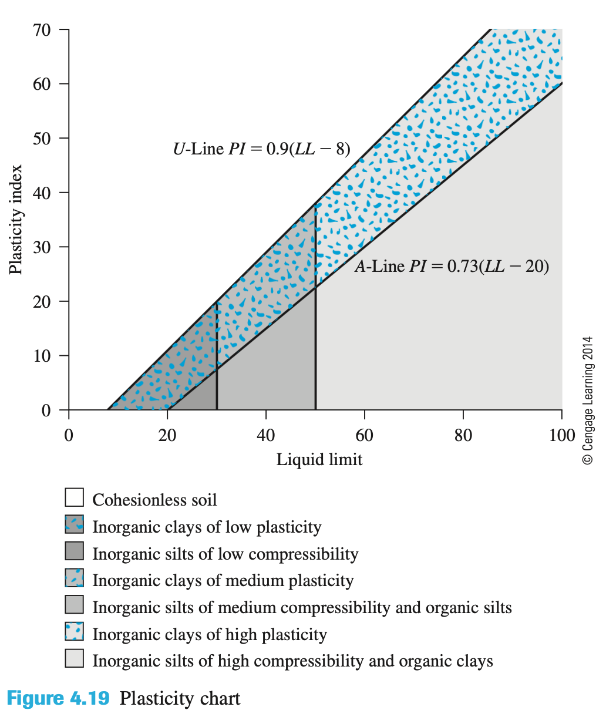

LL | A-Line | U-Line
0
8 |  | 0
20 | 0 | 10.8
30 | 7.3 | 19.8
40 | 14.6 | 28.8
50 | 21.9 | 37.8
60 | 29.2 | 46.8
70 | 36.5 | 55.8
80 | 43.8 | 64.8
Casagrande Plasticity Chart
 | A Line |  | U-Line
0 |  | 0 |  | 21.540094693 | 0
8 |  | 8 | 0 | 21.540094693 | 60
20 | 0 | 20 | 10.8
30 | 7.3 | 30 | 19.8
40 | 14.6 | 40 | 28.8
50 | 21.9 | 50 | 37.8
60 | 29.2 | 60 | 46.8
70 | 36.5 | 70 | 55.8
80 | 43.8 | 80 | 64.8
90 | 51.1 | 90 | 73.8
100 | 58.4 | 100 | 82.8
90 | 51.1 | 73.8
100 | 58.4 | 82.8

 |  |  |  |  | 21.540094693 | 0
 |  |  |  |  | 21.540094693 | 60

Seive + Hydro Data
Gradation Curve
 | Hydro Data |  |  |  | D60-H |  | D60-V |  | D30-H |  | D30-V |  | D10-H |  | D10-V
#REF! | 1 | 4.75000 | 97.05473 | 10.00000 | 60.00000 | 1.13497 | 0.00000 | 10.00000 | 30.00000 | 0.30000 | 0.00000 | 10.00000 | 10.00000 | 0.07943 | 0.00000
 |  | 2.00000 | 70.97000 | 1.13497 | 60.00000 | 1.13497 | 60.00000 | 0.30000 | 30.00000 | 0.30000 | 30.00000 | 0.07943 | 10.00000 | 0.07943 | 10.00000
 |  | 0.42500 | 40.98000
 |  | 0.30000 | 40.98000
 |  | 0.14900 | 39.66000
 |  | 0.07500 | 20.19900
 |  | 0.06200 | 5.98000
 |  | 0.03700 | 5.28000
 |  | 0.02800 | 3.10000
 |  | 0.02500 | 2.35000
 |  | 0.01900 | 1.50000
 |  | 0.01500 | 0.78000
 |  | 0.01400 | 0.20000
Particle Size (mm) | % Finer | Log Data
4.75000 | 97.05473 | 0.67669
2.00000 | 70.97000 | 0.30103
0.42500 | 40.98000 | -0.37161
0.30000 | 40.98000 | -0.52288
0.14900 | 39.66000 | -0.82681 |  | 0.02040
0.07500 | 20.19900 | -1.12494 |  | 1.04809
0.06200 | 5.98000 | -1.20761
0.03700 | 5.28000 | -1.43180
0.02800 | 3.10000 | -1.55284 |  | 0.05499
0.02500 | 2.35000 | -1.60206 |  | 1.13497
0.01900 | 1.50000 | -1.72125
0.01500 | 0.78000 | -1.82391
0.01400 | 0.20000 | -1.85387 |  | -0.52288
0.01300 | 0.17000 | -1.88606 |  | 0.30000

 |  |  |  | -1.10004
 |  |  |  | 0.07943

RESULTS
% gravel | 2.94530 | D60 (mm) | 1.13497308978410 | Cu = D60/D10 | 14.28965
% sand | 76.85570 | D30 (mm) | 0.30000000000000 | Cc = D30^2/D10* D60 | 0.99837
% fines | 20.19900 | D10 (mm) | 0.0794262100367060

 |  |  |  |  |  | 10.00000 | 60.00000 | 1.13497 | 0.00000
 |  |  |  |  |  | 1.13497 | 60.00000 | 1.13497 | 60.00000

 |  |  |  |  |  | 10.00000 | 30.00000 | 0.30000 | 0.00000
 |  |  |  |  |  | 0.30000 | 30.00000 | 0.30000 | 30.00000

 |  |  |  |  |  | 10.00000 | 10.00000 | 0.07943 | 0.00000
 |  |  |  |  |  | 0.07943 | 10.00000 | 0.07943 | 10.00000

